Fig 2
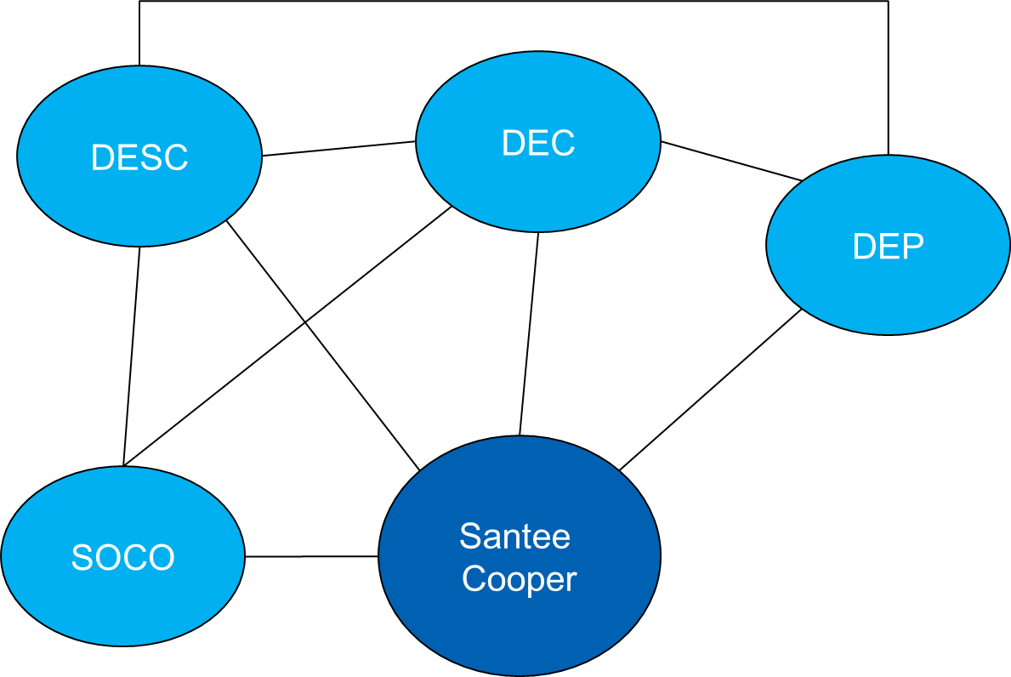
Pulled from power point drawing

